HL View
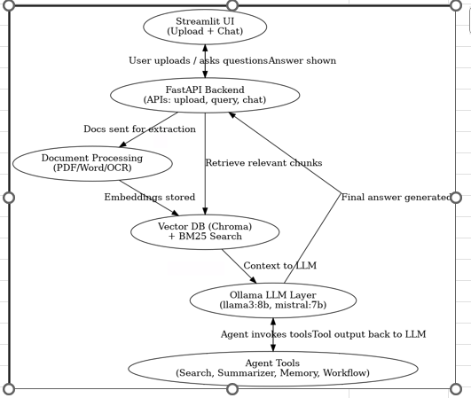
Component | Description
Streamlit UI | User uploads docs and chats
FastAPI Backend | Handles APIs: upload, query, chat
Document Processing | Extracts text from PDF/Word/Images
Vector DB (ChromaDB) | Stores and retrieves embeddings
Ollama LLM Layer | Runs llama3 and mistral models for answers/summaries

